1. Title Page
[Project Name]

Project Name: INSTACART BASKET ANALYSIS
Date: 03.09.2024
Analyst Name: Surabhi Seth

Contents:
Population Flow
Consistency checks
Wrangling steps
Column derivations
Visualizations
Recommendations

2. Population Flow
Title page

Population flow

Exclusion flag
Condition: max_order <
Obervations to be removed:
Final total count of order_products_all:

Orders_products_combined
Orders_products_merged
Orders_products_all

Total: 32404859, 15
Total: 32434489, 12
Total: 32404859, 34

1.) The grey boxes in the first row of the population flow represent the original data sets as they were when you downloaded them. In the Total fields you need to add the count of the rows when you imported the data set into Jupyter.
2.) The second row of boxes (coloured) represents the data sets after you manipulated them, e.g., removed missing values and duplicates. In the Total fields you need to add the count of the rows after conducting these operations. This offers a visual oveview of how the data flows throughout the data consistency checks.
3.) The third row, where also the arrows are coloured, represents the merges you performed between the datasets. In the Total fields you need to add the count of the rows in the merged datasets, so that you end up with the final dataset (in the red box). Keep in mind the final dataset should be without exclusions (based on the exclusion flag).

3. Consistency checks
 |  |  |  |  | Title page
Consistency checks

Dataset | Missing column name | Missing values | Missing values treatment | Duplicates
orders | days_since_prior_order | 206209 | created a new column to flag to address missing values First Order- true/false | null
products | product_name | 16 | remove | 5 - duplicates dropped
orders_products_prior | Nan |  |  | Nan
order_product_combined | Nan |  |  | Nan
customers | Nan |  |  | Nan

4. Wrangling steps
 |  |  |  | Title page
Wrangling steps

Columns dropped | Columns renamed | Columns' type changed | Comment/Reason

eval_set | order_dow | user_id (str.) | order_day_of_week

unnamed |  |  | order_product_combined
_merge |  |  | order_product_combined

_merge |  |  | order_product_merge
 |  | user_id(str.) | order_product_merge

 | First_name, Surname, Gender, STATE, Age, fam_status |  | Renamed columns in Customer df to establish uniformity
 |  | first_name | customer df, has mixed data type
 |  | user_id | in customer df, wrong data type, changed to str.

5. Column derivations
 |  |  |  | Title page

Column derivations and aggregations

In this tab you should add tables below that the frequences of flags/label variables that you produced after deriving them. NB: don't do this for continuous variables, only for flags.
Dataset | New column | Column/s it was derived from | Conditions

df_orders_wrangled.csv | first_order | days_since_prior_order | to address missing values
df_ords_prods_comb | _merge |  | auto genrated

df_ords_prods_merge | price_range_loc | prices | if prices<=5 low range product, prices> 5 but <=15 return Mid range product, if prices >15 retun high range else not enough data

df_ords_prods_merge | busiest day | order day of week | for value in df_ords_prods_merge["orders_day_of_week"]:
 |  |  | if value == 0:
 |  |  | result.append("Busiest day")
 |  |  | elif value == 4:
 |  |  | result.append("Least busy")
 |  |  | else:
 |  |  | result.append("Regularly busy")

df_ords_prods_merge | Busiest days | order day of week | df_ords_prods_merge.loc[df_ords_prods_merge['orders_day_of_week'].isin([0, 1]), 'busiest_days'] = 'Busiest Days'
 |  |  | df_ords_prods_merge.loc[df_ords_prods_merge['orders_day_of_week'].isin([6, 2, 5]), 'busiest_days'] = 'Regularly busy Days'
 |  |  | df_ords_prods_merge.loc[df_ords_prods_merge['orders_day_of_week'].isin([3, 4]), 'busiest_days'] = 'Slowest Days'

df_ords_prods_merge | busiest period of day | order hour of day | for value in df_ords_prods_merge["order_hour_of_day"]:
 |  |  | if value == 10 or value == 11 or value == 14 or value == 15 or value == 13 or value == 12 or value == 16 or value == 9:
 |  |  | result.append("Most orders")
 |  |  | elif value == 17 or value == 8 or value == 18 or value == 19 or value == 20 or value == 7 or value == 21 or value == 22:
 |  |  | result.append("Average orders")
 |  |  | else:
 |  |  | result.append("Fewest orders")

ords_prods_merge | Loyalty_flag | max order | ords_prods_merge.loc[ords_prods_merge['max_order'] > 40, 'loyalty_flag'] = 'Loyal customer'
 |  |  | ords_prods_merge.loc[(ords_prods_merge['max_order'] <= 40) & (ords_prods_merge['max_order'] > 10), 'loyalty_flag'] = 'Regular customer'
 |  |  | ords_prods_merge.loc[ords_prods_merge['max_order'] <= 10, 'loyalty_flag'] = 'New customer'

ords_prods_merge | Spender_flag | user id, prices | ords_prods_merge.loc[ords_prods_merge['average_spend'] < 10, 'spender_flag'] = 'Low spender'
 |  |  | ords_prods_merge.loc[ords_prods_merge['average_spend'] >= 10, 'spender_flag'] = 'High spender'

ords_prods_merge | Frequency flag | user id, days since prior order | ords_prods_merge.loc[ords_prods_merge['customer_frequency'] > 20, 'frequency_flag'] = 'Non-frequent customer'
 |  |  | ords_prods_merge.loc[(ords_prods_merge['customer_frequency'] > 10) & (ords_prods_merge['customer_frequency'] <= 20 ), 'frequency_flag'] = 'Regular customer'
 |  |  | ords_prods_merge.loc[ords_prods_merge['customer_frequency'] <= 10, 'frequency_flag'] = 'Frequent customer'

ords_prods_merge | price label | prices | if row['prices'] <= 5:
 |  |  | return 'Low-range product'
 |  |  | elif (row['prices'] > 5) and (row['prices'] <= 15):
 |  |  | return 'Mid-range product'
 |  |  | elif row['prices'] > 15:
 |  |  | return 'High range'
 |  |  | else: return 'Not enough data'

instacart_final | region | state | instacart_final.loc[instacart_final['state'].isin(northeast_region), 'region'] = 'Northeast'
 |  |  | instacart_final.loc[instacart_final['state'].isin(midwest_region), 'region'] = 'Midwest'
 |  |  | instacart_final.loc[instacart_final['state'].isin(south_region), 'region'] = 'South'
 |  |  | instacart_final.loc[instacart_final['state'].isin(west_region), 'region'] = 'West'

instacart_final | exclusion flag | max order | instacart_final.loc[instacart_final['max_order'] < 5, 'exclusion_flag'] = 'Exclude'
 |  |  | instacart_final.loc[instacart_final['max_order'] >= 5, 'exclusion_flag'] = 'Keep'

instacart_final | age group | age | instacart_final.loc[(instacart_final['age']>25)&(instacart_final['age']<45), 'age_group']='Adult'
 |  |  | instacart_final.loc[(instacart_final['age']>=45)&(instacart_final['age']<65), 'age_group']='Older Adult'
 |  |  | instacart_final.loc[instacart_final['age']>=65, 'age_group']='Senior'

instacart_final | income group | income | instacart_final.loc[instacart_final['income'] <= 50000, 'income_group'] = 'Low'
 |  |  | instacart_final.loc[(instacart_final['income'] > 50000) & (instacart_final['income'] <= 100000), 'income_group'] = 'Middle'
 |  |  | instacart_final.loc[instacart_final['income'] > 100000, 'income_group'] = 'High'

instacart_final | dependant flag | n_dependant | instacart_final.loc[instacart_final['n_dependants'] == 0, 'dependants_flag'] = 'No Dependants'
 |  |  | instacart_final.loc[instacart_final['n_dependants'] > 0, 'dependants_flag'] = 'Has Dependants'

6. Visualizations
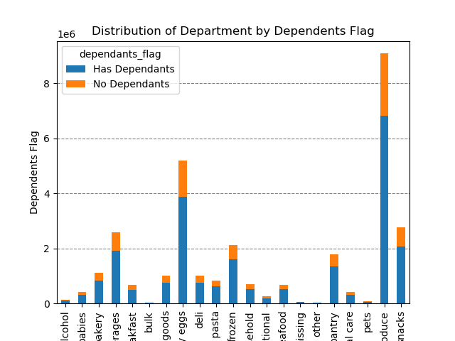
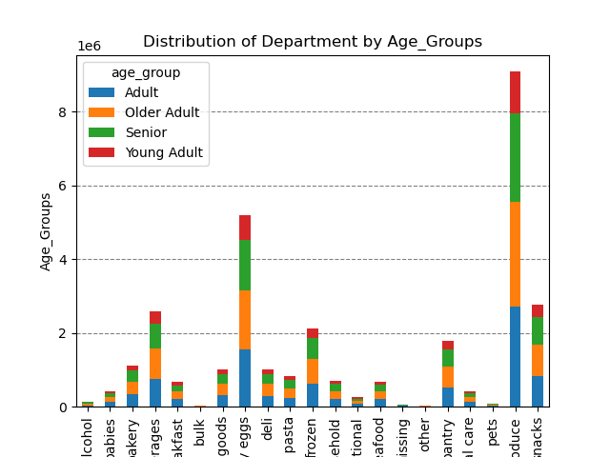
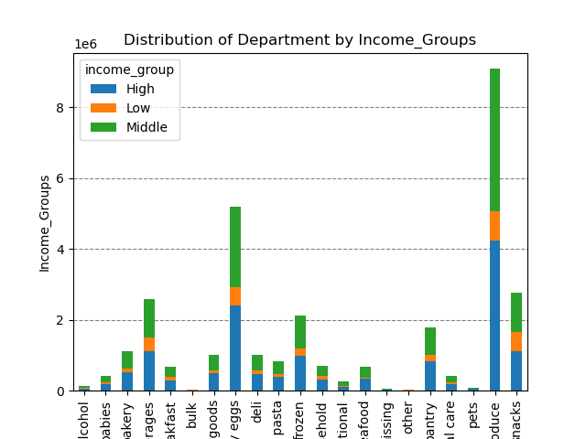
 |  |  |  |  |  | Title page

Visualisations 4.9 & 4.10

1 | The sales team needs to know what the busiest days of the week and hours of the day are (i.e., the days and times with the most orders) in order to schedule ads at times when there are fewer orders.

 |  | Number of orders by day of week |  |  |  |  | Distribution of orders by hour of the day

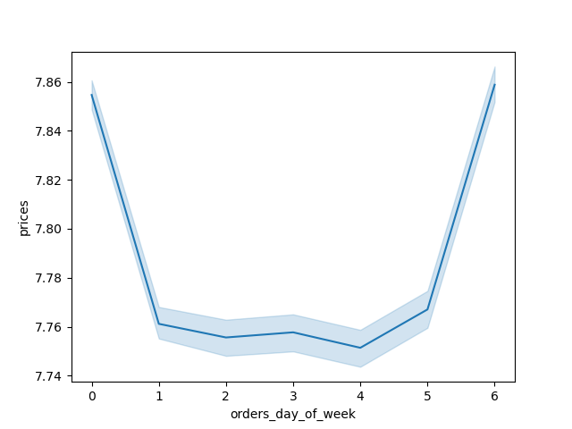
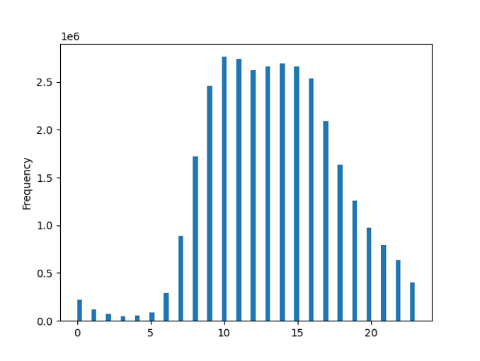

 |  |  |  | Order day of Week Legend
 |  |  |  |  | Day
 |  |  |  | 0 | Saturday
 |  |  |  | 1 | Sunday
 |  |  |  | 2 | Monday
 |  |  |  | 3 | Tuesday
 |  |  |  | 4 | Wednesday
 |  |  |  | 5 | Thursday

The busiest days of the week are Saturday and Sunday (weekend) between the hours of 10 am to 4 pm. The least busy day is Wednesday(middle of the week) between the hours of 2 am to 5 am.

2 | They also want to know whether there are particular times of the day when people spend the most money, as this might inform the type of products they advertise at these times

People spend the most money during the
hours of 10am to 4pm.
9 am is when people spend the most money.
Therefore, Instacart should utilize those
times to advertise specific products.
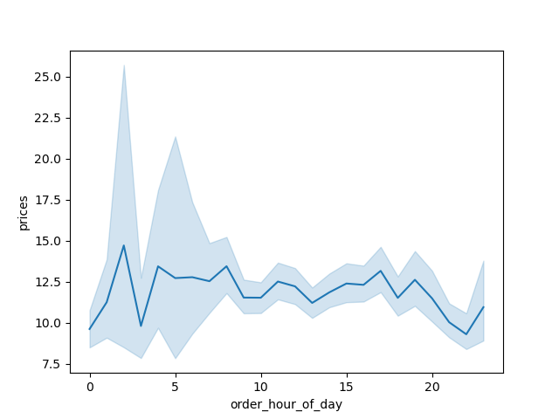

3 | Are there certain types of products that are more popular than others? The marketing and sales teams want to know which departments have the highest frequency of product orders.
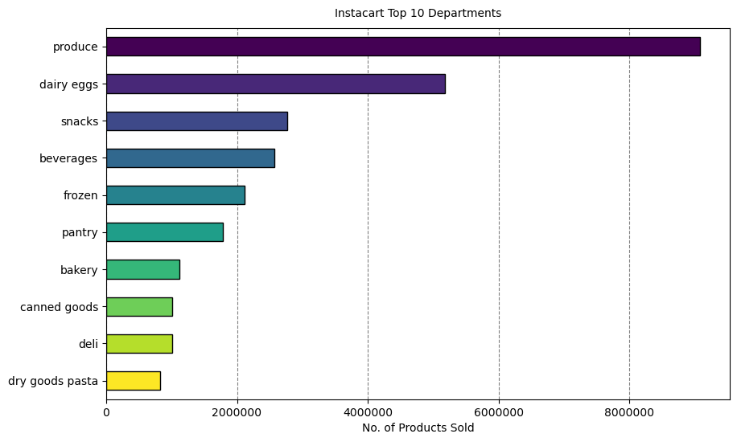

The bar chart on the left shows that the most popular products come from produce department. The next most ordered from departments are dairy/eggs, snacks, beverages, and frozen

4 | What’s the distribution among users in regards to their brand loyalty (i.e., how often do they return to Instacart)?

 |  |  | Distribution of customers by loyalty
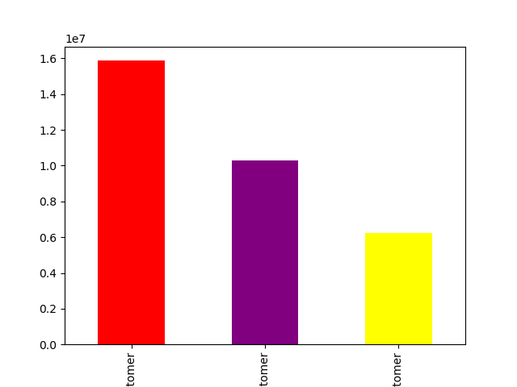

Regular and loyal customers contribute
more to sales (as in # of items sold),
hence becoming key focus for the
marketing team

5 | Are there differences in ordering habits based on a customer’s loyalty status?

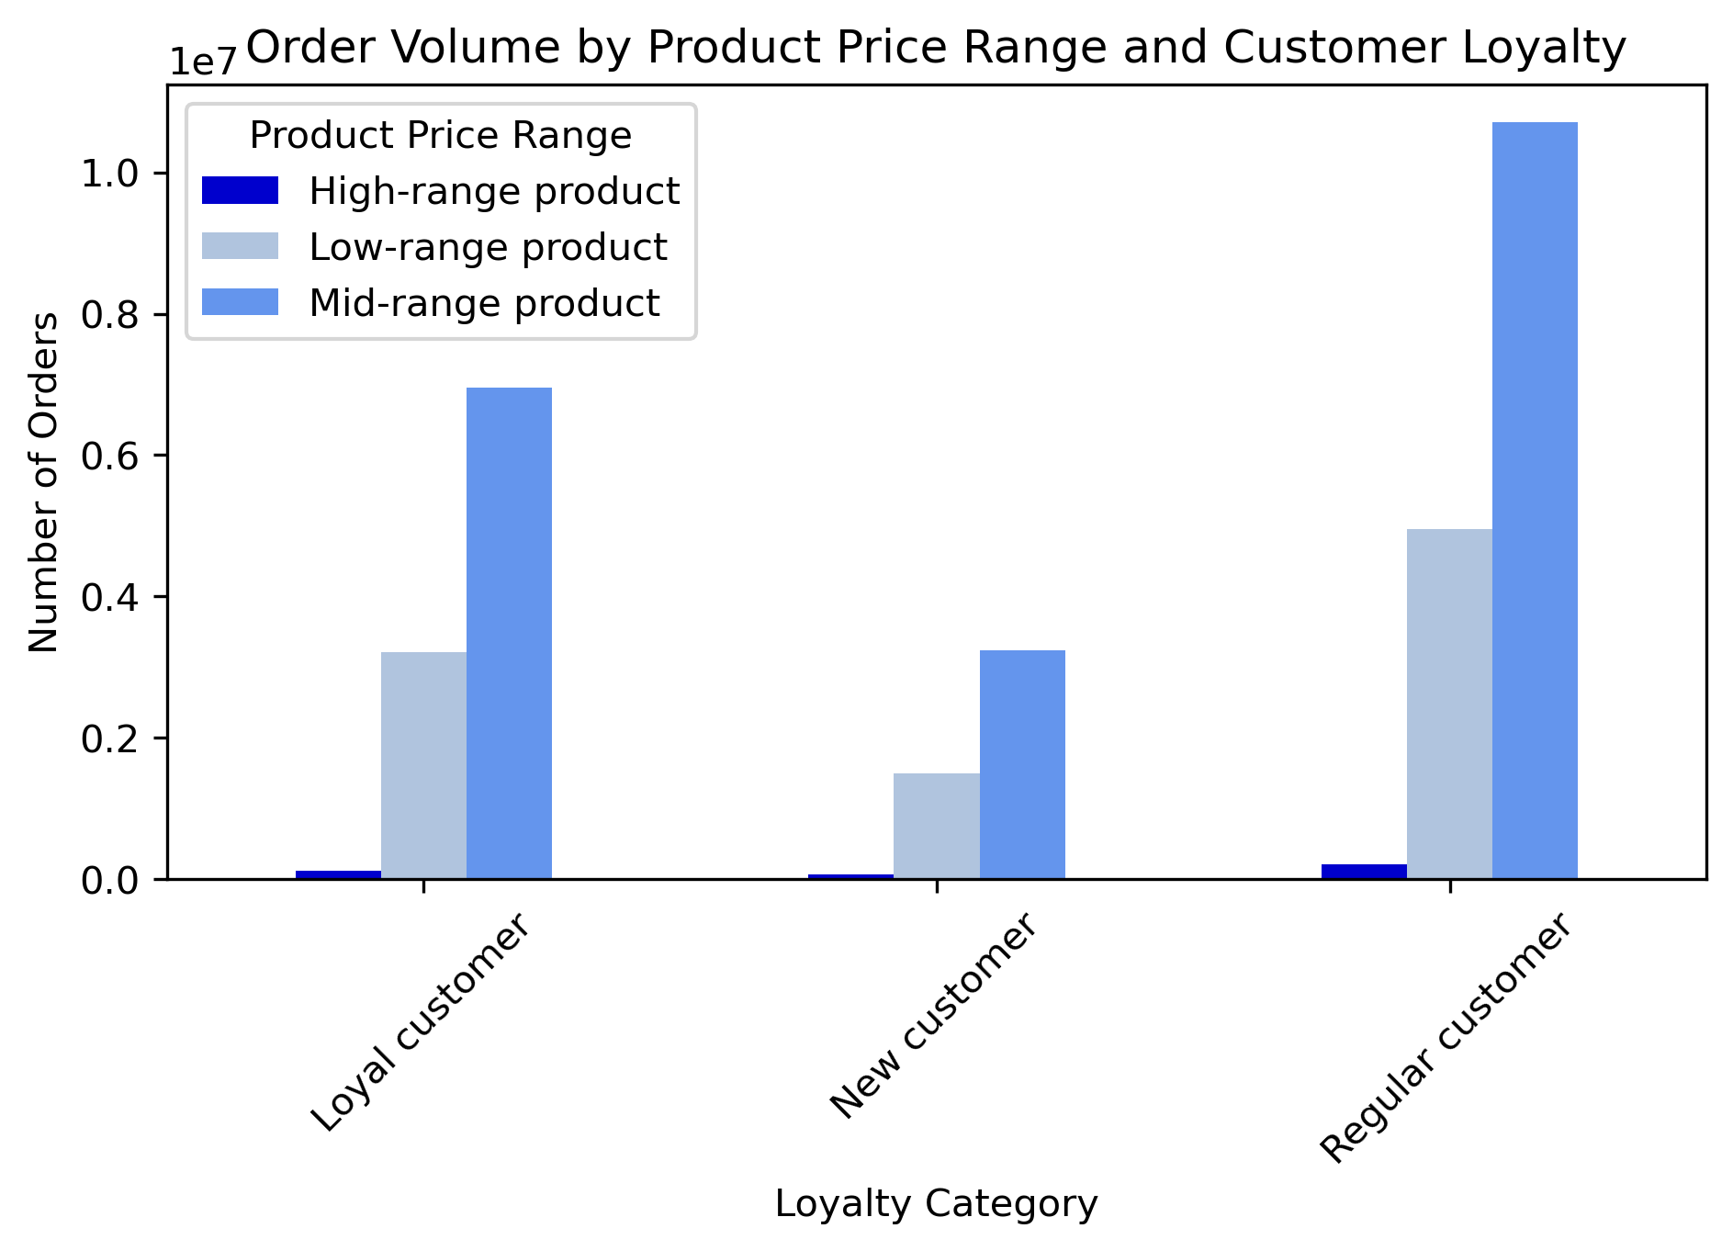

The bar graph shows that the average order total is close to equal between each grouping of customer's. It would seem loyalty status is not an indicator of specific ordering habits, although further analysis into other ordering habits may be needed.
On another aspect, mid-range products seem to the most popular ones

6 | Are there differences in ordering habits based on a customer’s region?
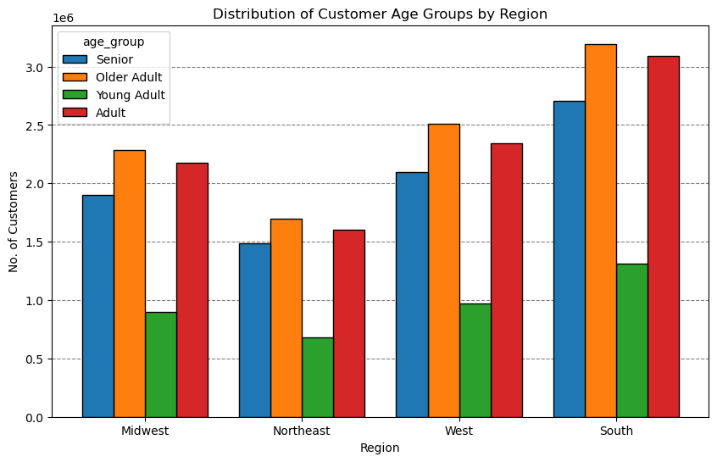
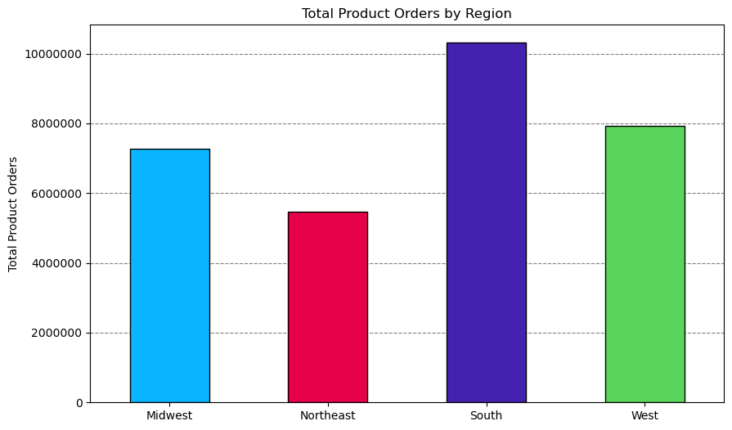

Total Product Orders are more in southern states, may be due to higher population or better brand positioning. However average order total is almost same across all regions.
Older Adult group contributes to the maximun number of customers across all regions, followed by senior, adult and young adult groups.

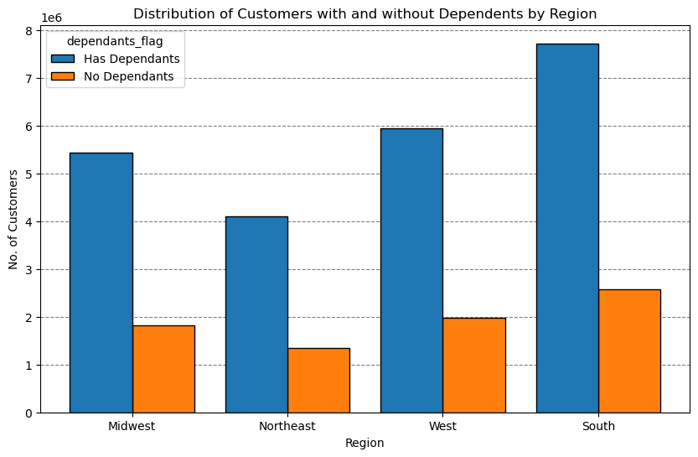
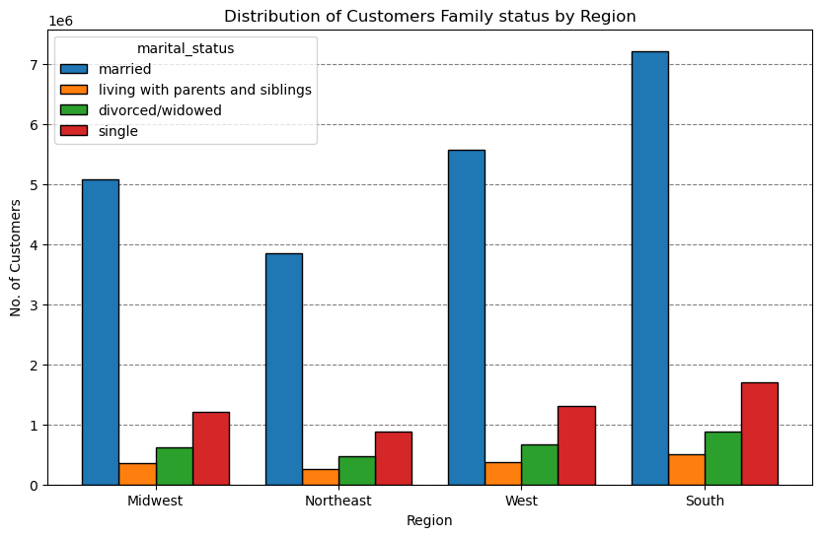

Customers having dependents are more in all regions than customers without dependents. That implies more family shopping experience
Married People contribute to the maximun number of cutomers in all regions. The others are jointly contributing to less than Married people and followed by single, divorced/widowed and living with parents and siblings.

7 | Is there a connection between age and family status in terms of ordering habits?
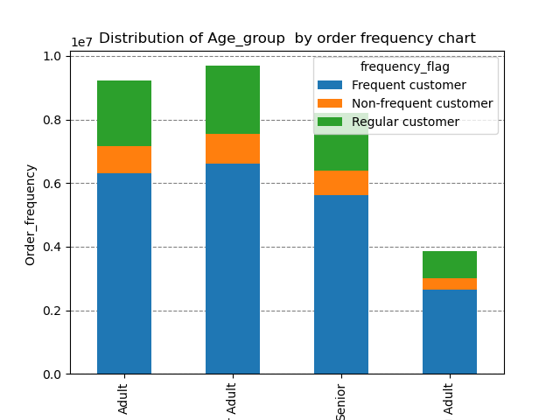

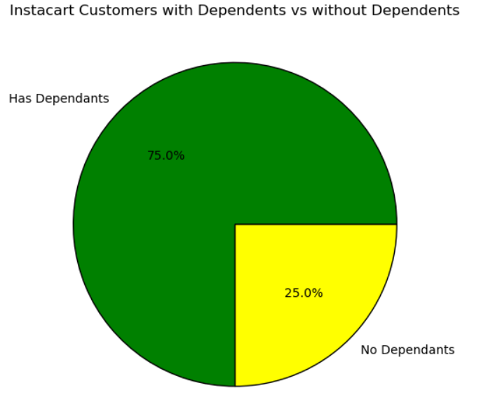
The total of frequent customer are the highest and the highest shoppers are with dependents. This showcases the popularity with families

8 | What differences can you find in ordering habits of different customer profiles? consider the price of orders, frequency of orders, products customers are ordering, and anything else you can think of.

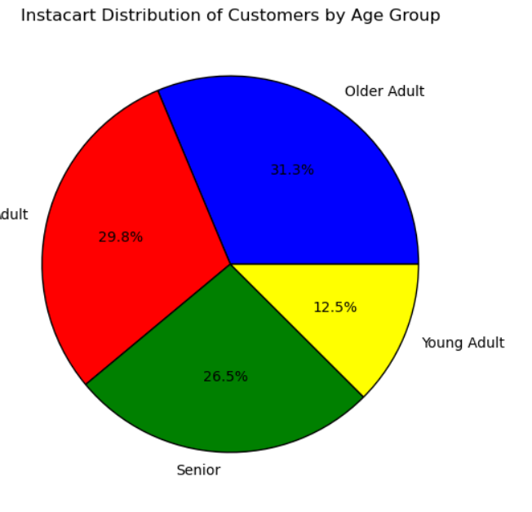
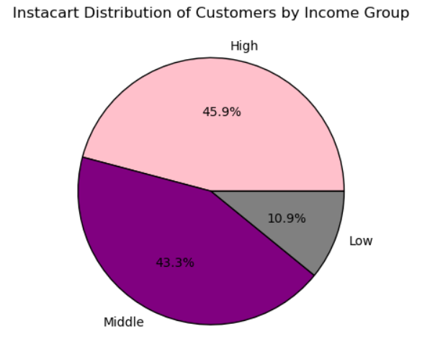

Low income and young adults are the lowest level shoppers for instacart.
High income group customers with dependents are the key base and buy Produce followed by eggs and snacks

7. Recommendations
 |  |  | Title page

Recommendations

 | Question | Answer
Key Question 1 | What days of the week and hours of the day are busiest? | Weekends are usually the time when people like to do shopping - instacart is no different. The busiest days of the week are hence Saturday and Sunday with 8 am to 4 pm as the time during which people like to place orders. The consumers might like to finish their ordering work before heading out to enjoy weekends. In a similar fashion, wednesday- being mid of the week, is the least busy day and hours. In order to improve on teh revenues, Instacart may scehcule some Ads on wednesday morning to promote sales during the lean time of the weekday.
Key Question 2 | What times of the day do people spend the most money? | Instacart clients spend money during the early hours of 8 am to 4 pm. These are the timeslots where people spend money and hence advertising spcific products during this time shall help Instacart to increase revenues.
Key Question 3 | Are there certain types of products that are more popular than others? | The top 5 product categories are produce, dairy and eggs, snacks, beverages and frozen food. Therefore, Instacart should provide special offers like loyalty discounts on those categories to keep drawing customers' attention and activity. Instacart should also promote and provide discounts on poorly performing departments to increase sales. They can also look at bundling offers to promote cross sales as well
Key Question 4 | What's the distribution amoung users in regards to their brand loyalty? | As indicated in the bar chart, Instacart has more regular customers than loyal customers. The you customers categories is the least in terms of numbers. HEnce, Instacart must focus on loyalthy programs, which should offer regular customers to shop for brands and hence improve brand loyalty for Instacart. These incentives will help them to have better economics per order cart as well as improve margins due to higher customer acquisition
Key Question 5 | Are there differences in ordering habits based on a customer's loyalty status? | The ordering habbits for various customer segmetns in terms of loyalty status vary on several parameters. Middle income adults are the most frequent customers for Instacart. Hence, it may be better for instacart to invest on shopping categories which are bought by this segment.
Key Question 6 | Are there differences in ordering habits based on a customer's region? | Instacart have different level of customers as well as sales in various regions. South region has most customers followed by West, Mid-west and North-East in that order. Since majority of customers tend to gravitate towards mid-range products, it may be more beneficial to spend advertising budgets on these products. While South is a natrual choice, the customers in West are not far behind and a good brand push might get a lot of sales to instacart for these markets as well.
Key Question 7 | Is there a connection between age and family status in terms of ordering habits? | In terms of the data points available, it is difficult to ascertain a definitive connection between these variables. There are various categories in terms of age groups and family status for customers with instacart. Each of these are further superceeded with income ranges as the age progresses. HEence, it can be inferred that the clients as they grow in age, and their income level increases, they will have higher spending potential as well as potentially have dependents. In thsi situation, it is highly likely that their total expenses on Instacart will increase. Hence, it is beneficial for Instacart to have more aspiring products for ADults and seniors, who can afford andehnce ocntribute to higher end products. Another segment is to tap with young adults, who are not the highest spenders but if captured your into loyalty, they shall be the best bet as they become older and potentially have dependents for them.
Key Question 8 | What differences can you find in ordering habits of different customer profiles? consider the price of orders, frequency of orders, products customers are ordering, and anything else you can think of. | There is a large spread of trends based on combination of age-group, marital status and income group. It also suggests that age group might be a strong factor influencing spending habits among customers. - Target High-Income Seniors: Focus marketing efforts on high-income senior profiles across all regions. These customers consistently show high spending in the grocery category, making them a key segment for loyalty programs, premium offerings, and exclusive deals. - Expand Niche Categories: Increase visibility and appeal of underperforming departments like ""Personal Care"" and ""Pets & Babies"" by offering targeted promotions or introducing new products that cater to specific needs, particularly for low-income or niche customer segments. - Develop Regional Marketing Strategies: Tailor campaigns to impact regional differences, emphasizing high-income and senior profiles in the South and West. In the regions where customer profiles are under-represented, explore new product offerings or localized promotions to stimulate growth. - Cater to Small Families: Enhance convenience for small families by offering solutions like meal kits, bulk buying options, or subscription services. These strategies could increase purchase frequency and improve the basket size among this consistently reliable customer base.

